TestSummary
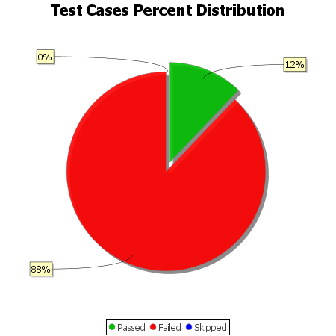
Total Test Cases | 33
Test Cases Passed | 4
Test Cases Failed | 29
Test Cases Skipped | 0

